Core log key
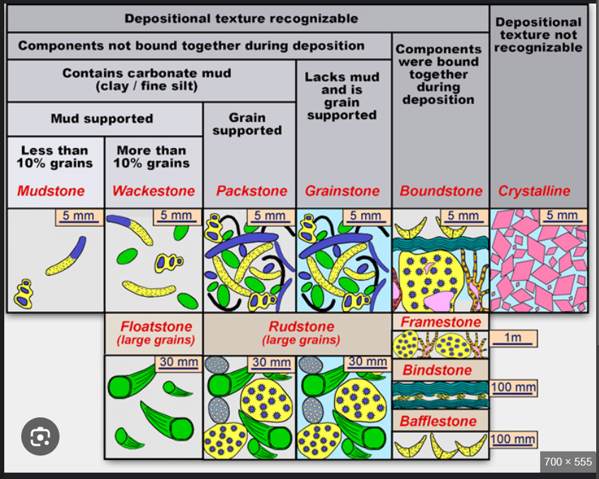
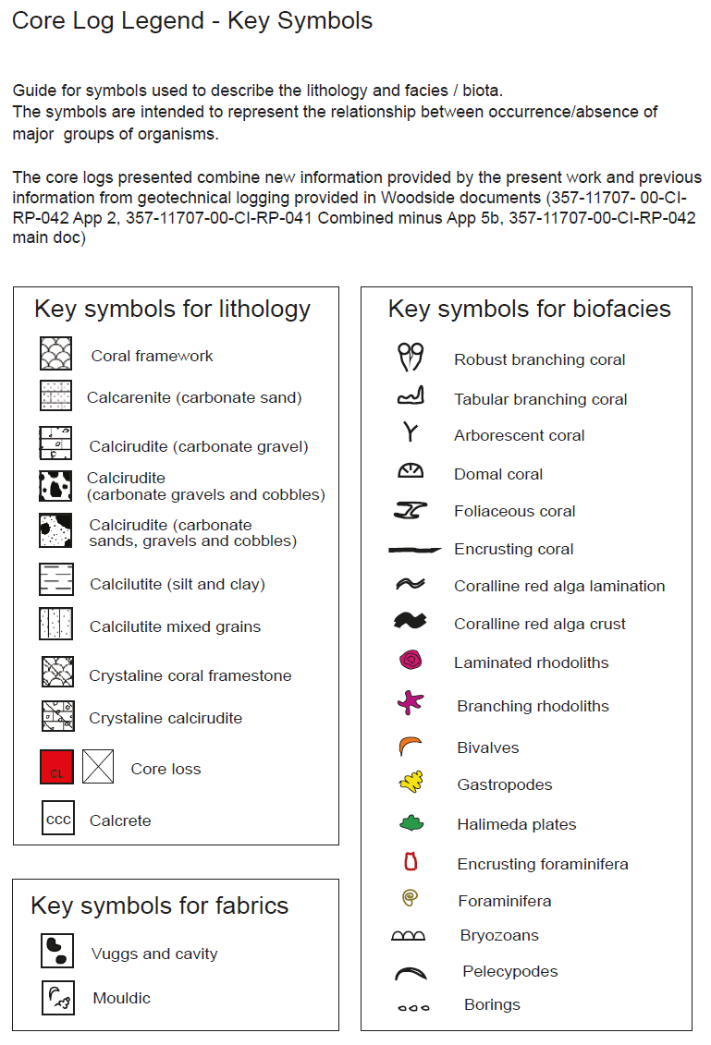
CGW_Strata |  | Collins_Strata
Crystalline |  | Crystalline coral framestone
 |  | Crystalline calcirudite
Boundstone | framework | Coral framework/Coralline limestone
 | bindstone
 | bafflestone
Rudstone |  | Calcirudite (carbonate gravel)
Floatstone
Grainstone-Rudstone |  | Calcirudite (carbonate gravels and cobbles)
Halimeda-Rudstone
Packstone-Rudstone
Grainstone |  | Calcirudite (carbonate sands, gravels and cobbles)
Packestone |  | Calcilutite (Silt and clay)
Wackestone |  | Calcilutite mixed grains
Mudstone
Carbonate sand |  | Calcarenite (carbonate sand)

